Sheet1
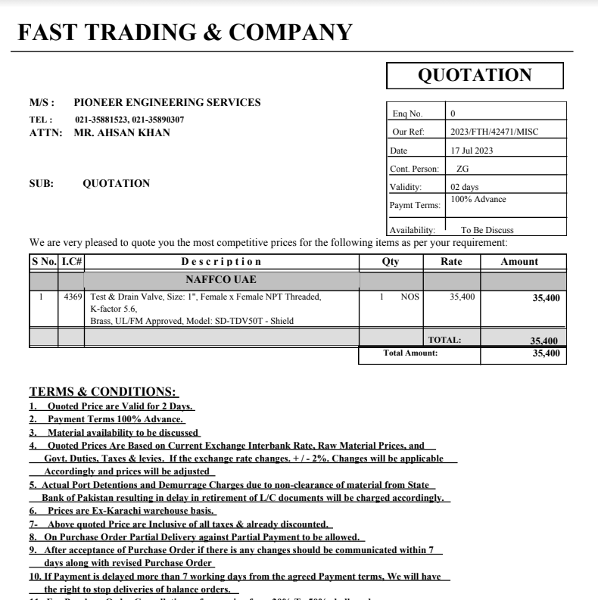


Variation order for test & drain Valve - Dolmen Family Area DMC Karachi

S. # | Description | Material Rate | Labour Rate | Over Head profit 20% | Tax 7.5% | Unit | Qty | Amount | Total Construction
1 | Supply and installation of test & drain valve 01" dia. Brand: Shield | 41,595 | 11,750 | 10,669 | 4,801 | No | 1 | 68,815.05 | 1.175
Total Amount Rs. |  |  |  |  |  |  |  | 68,815 | OK

Thanking you,

For PIONEER ENGINEERING SERVICES.

Bilal Habib

